Level1Review
SOP: | Level 1 Data Review | version: | 1.0 | date: | 2021-01-22 | responsibility: | Site Operator
 |  |  |  |  |  | prereq: | Data has been polled or imported. Level 1 Review requires an understanding of the expected range and variation patterns of the data in this location, which can be estimated using data from NWS and relevant stations*.
This SOP covers the Level 1 Validation, usually conducted by the Site Operator. The objective of Level 1 Review is to determine which values, if any, are invalid and require AQS null codes to be assigned. The Site Operator uses their experience, supporting information (NWS or relevant nearby site data, logbook records), and best judgment as to the validity of each value. Documentation of decision rationale is saved in Notes and in Supporting Documentation.

 |  |  |  |  |  | frequency: | Level 1 data review can be ongoing, and generally is conducted at least monthly.
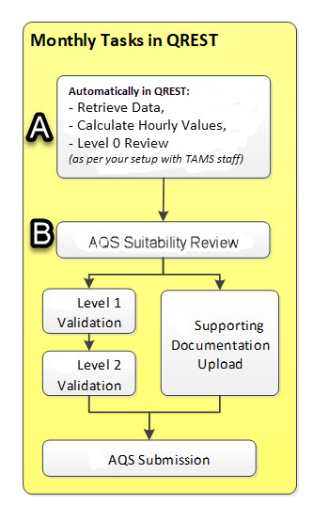
 | Data Review Workflow:
 |  |  |  |  |  | *search for relevant monitors in AirNowTech Navigator (http://bit.ly/AirNowTechNavigator), NWS (https://w2.weather.gov/), and/or the closest airports or other sources to find downloadable data in your location.
 | Steps A and B are performed automatically by QREST.

 |  |  |  |  |  | Step B, the automatic AQS Suitability Review indicates only that the record (a) has either a value or an AQS null code, and (b) has the codes required by AQS. The Level 1 and 2 Validation (conducted by a person) must also be marked complete for the data to be appropriate to send to AQS. (It is possible to update files already posted in AQS, and QREST can format such files, if that turns out to be necessary.)

1
 | Data Selection
Step:
1 | Navigate to
 | Air Data ->
 | Data Review

2 | Select Agency, Month, and Year in the drop down boxes, and click Go.
2

3 | This opens a panel of all parameters and their status for the month selected:
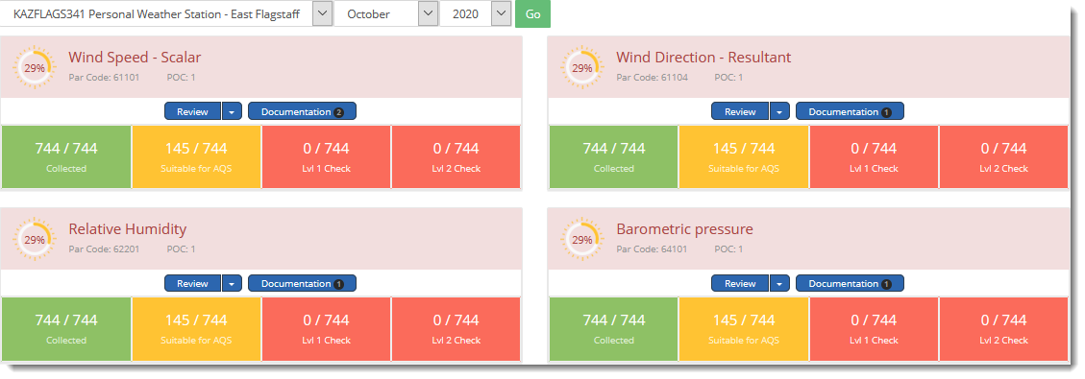
3

4 | The parameter's box is color coded to display the progress for (1) data retrieval (2) AQS suitability [has required codes and value/null code], (3) Level 1 validation, and (4) Level 2 validation. See the sheet ColorsInDataReviewPanels for an overview of what the different colors of the Parameter text box signify.

4

 | Because all 744 hours in this month have records, the number of records collected box is green. | Since only a portion are suitable for AQS, the number suitable for AQS is in a yellow box. |  | The counts for Lvl 1 and 2 checks are in a dark orange box, because none have had Lvl 1 or 2 review.

 |  | In this example, in the Suitable for AQS box, there are 466 records that QREST has deemed suitable for submission to AQS. There are 278 records (744-466= 278) that polled with no data, and are flagged as LOST. These must be reviewed and assigned an AQS null code.

 |  | There may be additional flagged records (MIN, MAX, JUMP, STUCK) that should also be reviewed, but if there are logged values for these records they are counted here as AQS-suitable. Those QREST flags are to assist your identification of such potentially anomalous values.

5 | DOCUMENTATION:

 | Documentation pertinent to this station and this parameter/sensor can be saved in QREST, so that it is downloadable for reference, and can be made available to the Level 2 Reviewer. See Site and Parameter Supporting Documentation for how to save reference files in QREST. The Level 1 reviewer (who may be the site operator) is responsible for uploading adequate documentation and making it available to the Level 2 reviewer.

 | Upload the QAPP or excerpts from the QAPP so that the data review criteria are easily available. For example the data review criteria tables in the QAPP (often in the element 14: QC) should be used for reference when making validation decisions.

 | The Level 0 criteria applied automatically by QREST to flag unexpected data (e.g., why a value in the chart is shown in purple) can always be obtained by exporting a report with those criteria (see the SOP for Level 0 Validation Limits).

6 | Data Review Details
 | There are 2 options for reviewing the data: either (A) standard review, which displays 1 parameter's hourly data, or (B) Advanced Review, which can show 2 parameters at a time, either hourly or 5-min values, as well as selecting intervals other than a month at a time. This SOP covers only the standard monthly 1-parameter hourly data review. For comparing parameters, 5-min data, or intervals shorter or longer than a month, see the Advanced Review SOP.

6
 | To review 1 parameter's hourly records:, click Review in the parameter box:

6a | The Data Review panel opens to display both a chart and a table.
 | The view can be changed using the options button in the upper right:
6a
 |  |  |  |  |  | To view only the chart or table, click on the relevant icons to unselect them:

 |  |  |  |  |  |  | If the table icon is unchecked, only the chart is shown.

 |  |  |  |  |  |  | If the chart icon is unchecked, only the table is shown.

 | The "lasso" method of zooming in to a portion of the chart, the "panning" method of scrolling forward or backward in the chart, and the reset to original selection operate in the same way as described in the Raw Data Review procedures.

 | The data table sorting methods as described in the Raw Data Review procedures also apply.
 | Note that after sorting values or flags, the table can be resorted as oldest-to-newest, or newest-to-oldest by toggling the sorting arrow in the Time column.

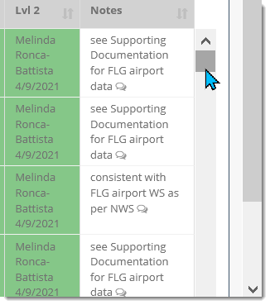
7
7 | Scroll through the data both in the chart (use the panning feature to move through the zoomed-in chart), and scrolling down in the table.

 |  |  |  |  |  |  | Use the "pull bar" in the right side of the table itself (not browser window) to scroll through all records.

 | Carefully review records with QREST flags of MIN, MAX, JUMP, or STUCK flags.

 | In the case of JUMP flags, use your experience and understanding of the variabiity of the parameter to evaluate whether the sudden change in value was due to the actual parameter changing, or if there was a malfunction. Zooming into values marked with JUMP in the chart can be very helpful.

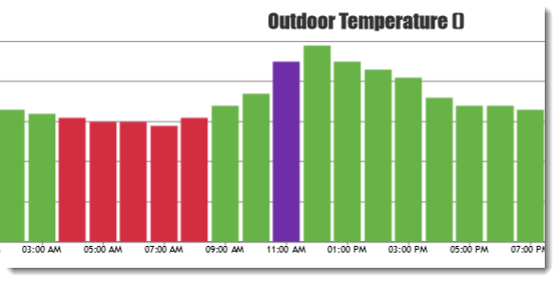
 |  |  |  |  | (In this case, even though the Jump flag was applied, the change looks reasonable in comparison to adjacent values and the normal variation of this parameter at this site by time of day.)

8 | Selecting Records to Edit:

8a
Records to be edited at the same time are selected using the check box. Click All to select all the records in the table.
8a | Click in the selection box to the left of the record being edited:

 | When one or more records are checked, the green Bulk Edit Selected button to the upper left of the table becomes visible.

8b | To select a block of contiguous records at a time, hold down the Shift key and select the 2nd record. All records between them are checked, selected, and highlighted.
8b

8c | To select multiple noncontiguous records, hold down the CNTRL key and select the records to be edited.

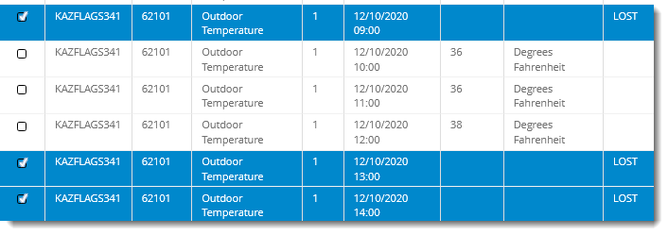
8c

9 | Bulk Edit Selected Records
 | Click the green Bulk Edit Selected button in the upper left of the table, which for a Site Operator opens the Level 1 Review options box:

 | There are multiple tasks that can be achieved in the Level 1 Review options box, including adding or editing AQS Null Codes, AQS Qualifiers, QREST Flags, Units, and Notes. The Level 1 Review options box is also used to update the Level 1 and Level 2 Review Status. Note that data cannot be sent to AQS until it is marked as having completed Level 1 Review and Level 2 Review.

10
10 | Apply AQS Null Codes
 | AQS Null Codes can be applied to all selected records using the dropdown box. Selection of the <<REMOVE ANY>> choice removes existing AQS null codes.

10a | If the datalogger or system malfunctioned and caused the LOST signal, apply the BK - Site computer/data logger down code, or as appropriate for your system. Note that ideally, there is a record of malfunction, either within the equipment and/or noted in the site logbook. Site logbook pages can be scanned and saved as items of Supporting Documentation.

11 | AQS Informational Qualifiers
 | AQS informational qualifiers can be selected by clicking in the AQS Qualifier box. AQS Qualifiers are not required. Read more about AQS Qualifiers at https://aqs.epa.gov/aqsweb/documents/codetables/qualifiers.html

12 | Mark Selected Records as Level 1 Review Complete
 | To mark the selected records as completed Level 1 Review, click in the box to Update Level 1 Review Status, and check the box for Mark Level 1 Record Complete. Notes are always required when editing records, and are limited to 100 characters. Additional information can be entered as new Notes.

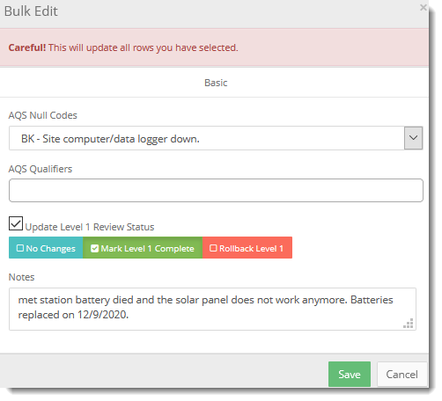
12

12a | If values have already been marked as Level 1 Complete but a question has arisen about the validity of the record, and the Site Operator no longer considers this record as conclusively reviewed and ready for the Level 2 Review, click Rollback Level 1.

12b | Multiple notes can be added to each record, and the Notes field can be opened to view all Notes applied to that record by clicking the small bubble in the Notes field:

12b

12c | Clicking the Notes icon in any Note field opens a panel with all the Notes that apply to that record. Use the Notes field generously, with multiple notes for selected records as you find more information about the data at that time, so that you or the next person in your position can look back months or years and understand why valid/invalid decisions were made.

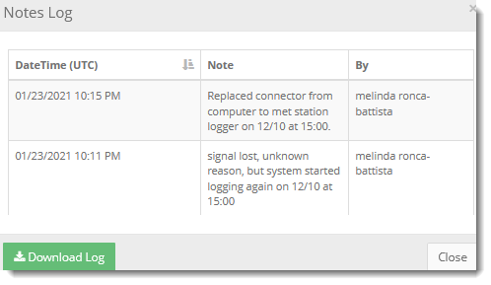

 |  |  |  |  |  |  | The Notes log can be downloaded as an excel file.

12d | After filling out the Level 1 Review options box, click on the Save button to apply the entries to the selected records.

13 | When all records have been reviewed, click the Back button to return to the Data Review Summary screen.

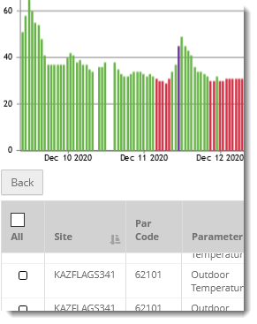

13a | Now, the Data Review pane for this parameter shows 744 records suitable for AQS, with 278 records Level 1 Reviewed.

13a

 | All records must have a Level 1 Review completed before the Level 2 Review can be marked as complete.

13b | If not all records have been Level 1 reviewed, users can choose to complete the Level 1 Review by selecting all records in this month (even if some records within the month have already been Level 1 reviewed) using this standard review method, or select a different time interval using the Advanced Review procedure.

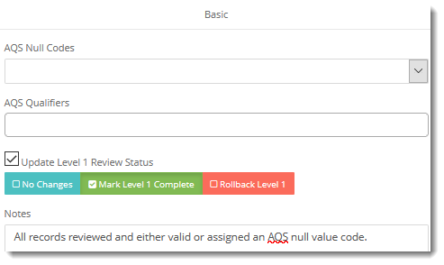
13b
 |  |  |  |  |  | A common operational example of this is to first add AQS Null Codes to some of the records in the month, and then going back and selecting all the records in the month to mark as having completed the Level 1 review.

 | Now, the standard Data Review panel shows all records with Level 1 Review complete:

14 | Level 1 Review Reports:
 | Ideally, and as specified in the QAPP, someone other than the Level 1 Reviewer will perform the Level 2 Review.

 | Two summary tables (In addition to the Agency Admin granting access to the data in QREST) can be provided to the Level 2 Reviewer. The Monthly Report and the time period's Data Export reports provide summary as well as individual values. (See SOP for Reports.)

 | In addition to these reports, exported charts with zoomed-in views of values not meeting the Level 0 criteria may be saved and provided to the Level 2 Reviewer and/or saved with records and embedded in reports.

Final | Final Review
 | Keep in mind that the Level 2 Reviewer will need to understand validation decisions, so adequate Notes and supporting documentation should be saved such that why the decision was made is clear. Additional Notes and Supporting Documentation can be added at any time.

ColorsInDataReviewPanels
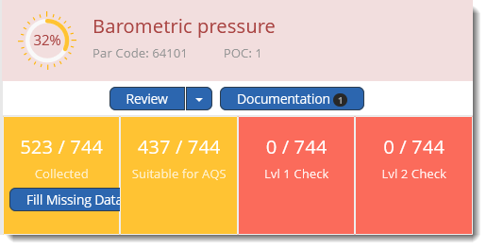
The label box is pink because there have been zero values that have been Lvl1 or 2 reviewed.

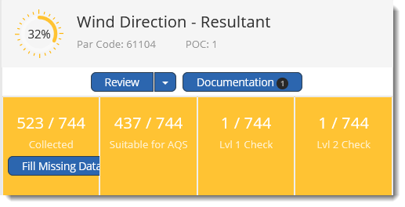
Since 1 value of WD has been Level 1 and Level 2 reviewed, the banner for WD is gray.

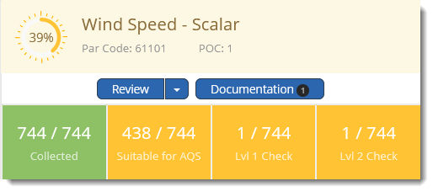
Because all 744 hours in January have WS values/null value codes, the parameter identification label is beige.

